Identify Flowcharting Symbols
The following symbols are commonly used in program flowcharts to visually represent processes and decision points. Please identify these symbols and provide a brief description of their purpose in flowcharting. (5 Points)

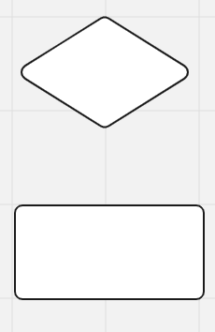
 | Symbol Name | External Module Call | Symbol Name | Decision
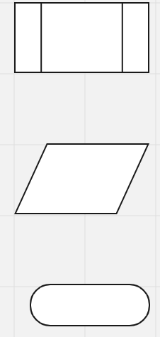
 | Contains the module call statement to execute and return back to the flow chart diagram to continue to next step |  | Contains a conditional decision to determine applicable flowchart path If true, take "yes" path; if false take "no" path

 | Symbol Name | Input/Output | Symbol Name | Proces

 | Indicates if it is an input (left slanting) or an output (right slanting) and the expected input or output value (in the form of a variable/parameter) |  | Contains a processing statement to complete before going to next step

 | Symbol Name | Terminal

 | Start/Stop symbol that indicates the beginning (Start) or the ending (Stop) operation within a flowchart

